BALANCE BIKES 12-16
BIKE CODE FOR ORDERS |  | 24-MINI-12-STD 24-MINI-16-STD | BIKE DESCRIPTION NAME |  | CONTROL STATUS
EFFECTED DATE(D/M/Y) |  | 2024-08-09 | VERSION | 2024A0
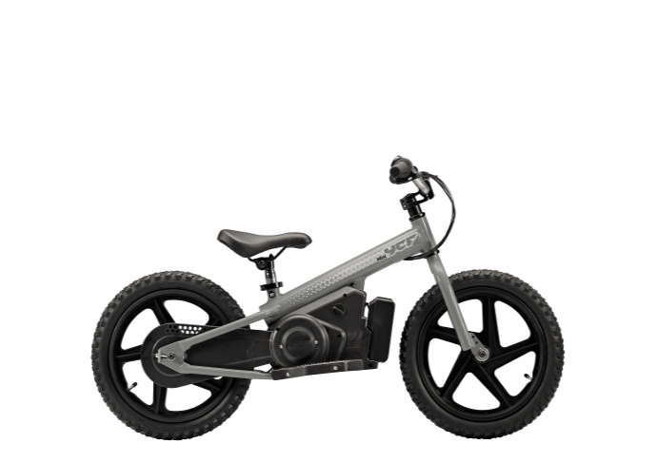
Handle bar assembly
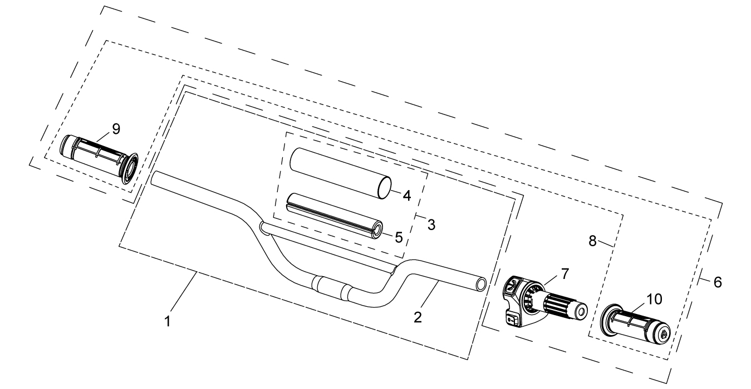
N° | Ref. | Description | Français | Picture | Qty/Bike | Pur Qty | MY | BB12 | BB16 | USD UNIT PRICE | Recommended order parts
1 | BB12-0101-ZC | Handle Bar Aluminium L=510mm d=22mm Silver Complete Bar Pad for Balance Bike Handlebar L=143mm Black-WHITE | Guidon aluminium =L=510mm d=22mm Silver Mousse guidon complete pour guidon Drezienne L=143mm Noir-BLANC |  |  | 1 | 2024 | √ |  | 6.60 | 2
1 | BB16-0101-ZC | Handle Bar Aluminium L=550mm d=22mm Silver Complete Bar Pad for Balance Bike Handlebar L=143mm Black-WHITE | Guidon aluminium =L=550mm d=22mm Silver Mousse guidon complete pour guidon Drezienne L=143mm Noir-BLANC |  |  | 1 | 2024 |  | √ | 6.60 | 2
3 | BB12-0132 | Complete Bar Pad for Balance Bike Handlebar L=143mm Black-WHITE | Mousse guidon complete pour guidon Drezienne L=143mm Noir-BLANC |  | 1 |  | 2024 | √ | √ | 1.10 | 4
 | BB12-0212-02-BK | FRONT No PLATE BALANCE BIKE COMPLETE SET (FRONT No PLATE + 2 RISLAN + STICKER + PACKAGING) | SET PLAQUE No avant drezienne (Plaque Avant + Sticker + 2 rislans + packaging) |  | 1 |  | AFTERMARKET | √ | √ | 3.00
6 | BB12-0138 | Throttle Assy Balance Bike L=800mm with Battery indicator and YCF Grip Black | Poigne Acceleration Drezienne avec temoin batterie L=800 mm et Grip YCF Noire |  | 1 |  | 2024 | √ | √ | 12.00 | 5
8 | BB12-PPC014-BK | Set of grip 2024 Balance Bike (YCF LOGO) Black | Paire de poignée caoutchouc 2024 Drezienne (YCF LOGO) Noire |  | 1 |  | 2024 | √ | √ | 2.50 | 10
Steering stem assembly
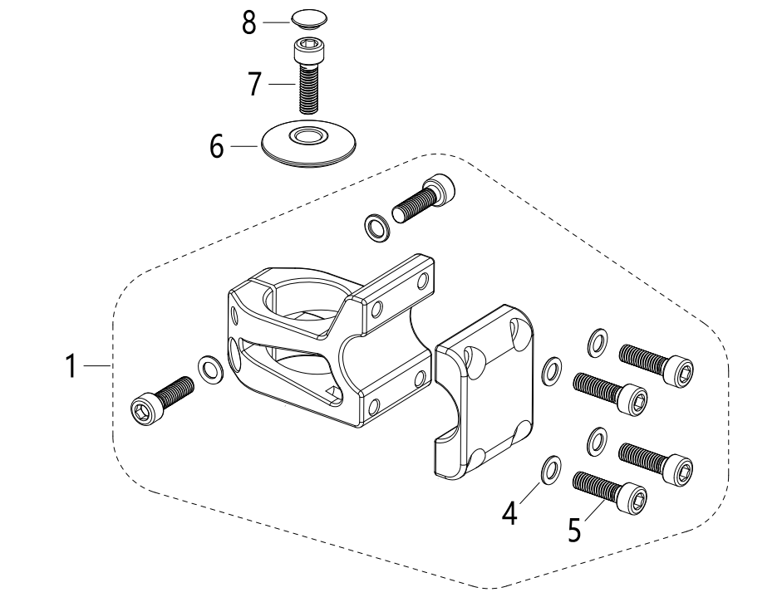 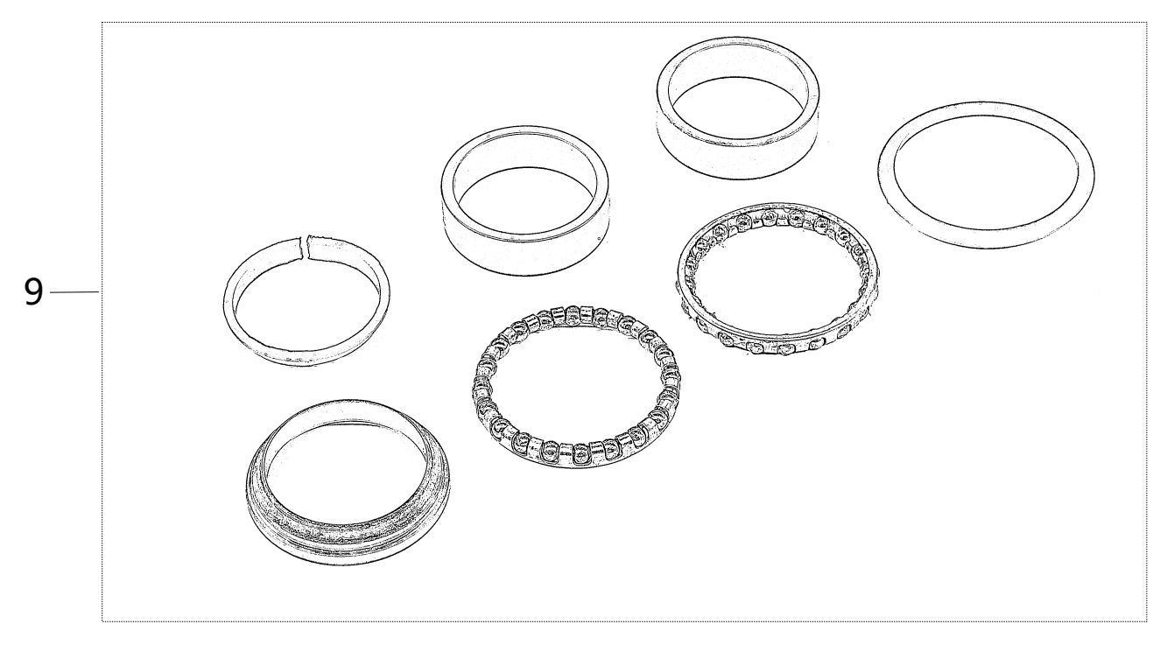
N° | Ref. | Description | Français | Picture | Qty/Bike | Pur Qty | MY | BB12 | BB16 | USD UNIT PRICE | Recommended order parts
1 | BB12-0227-01-BK | Set of complete Bar mount Balance Bike Black | Jeu pontet complet guidon Drezienne Noir |  | 1 |  | 2024 | √ | √ | 5.60 | 2
4 | FB20-6x10x1-W | Flat washer,steel d6mmxd10mmx1mm | Rondelle plate,acier d6mmxd10mmx1mm |  |  | 6 | 2024 | √ | √ | 0.10
5 | GB70-M6x20 | HEXAGON SOCKET Head Bolt, stainless steel, M6x20mm | Vis Allen (BTR) inox, M6x20mm |  |  | 6 | 2024 | √ | √ | 0.20
6 | BB12-0228-01-BK | STEM COVER d32mmx8.5mm | CAPOT DE POTENCE d32mmx8.5mm |  |  | 1 | 2024 | √ | √ | 0.30 | 2
7 | GB70-M6x30 | HEXAGON SOCKET Head Bolt, stainless steel, M6x30mm | Vis Allen (BTR) inox, M6x30mm |  |  | 1 | 2024 | √ | √ | 0.20 | 2
8 | BB12-0229-01-BK | btr screw head cap | capuchon de tete de vis btr |  |  | 1 | 2024 | √ | √ | 0.10 | 2
9 | BB12-0227 | Stop bearing kit | Kit roulement de direction avec buttée de colonne |  |  | 1 | 2024 | √ | √ | 2.50 | 2
Front Wheel Assy
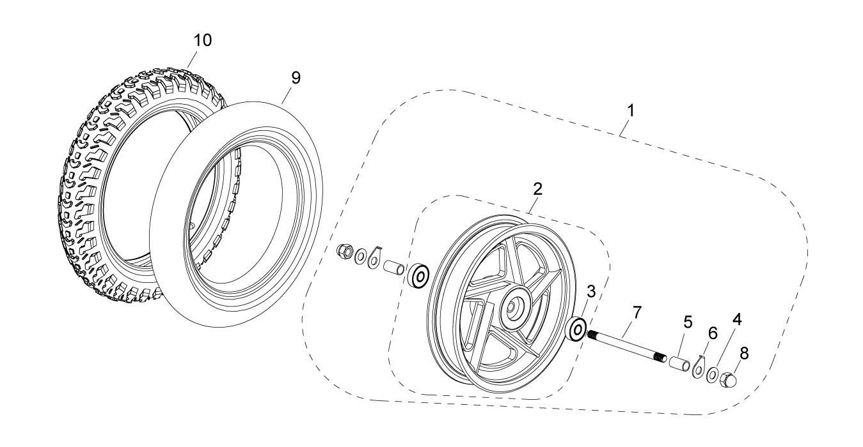
N° | Ref. | Description | Français | Picture | Qty/Bike | Pur Qty | MY | BB12 | BB16 | USD UNIT PRICE | Recommended order parts
1 | BB12-0602-01 | Complete Front wheel BB12 W/T front wheel axle | Roue avant complète BB12 sans axe de roue |  |  | 1 | 2024 | √ |  | 6.00 | 1
1 | BB16-0602-01 | Complete Front wheel BB16 W/T front wheel axle | Roue avant complète BB16 sans axe de roue |  |  | 1 | 2024 |  | √ | 8.50 | 1
3 | 6200RS | Ball bearing 6200RS d10mmxd30mmx9mm | Roulement roue 6200RS d10mmxd30mmx9mm |  | 2 |  | 2024 | √ | √ | 0.70 | 6
4 | GB96-d10-W | Flat washer,steel d10mm | Rondelle plate,acier d10mm |  |  | 2 | 2024 | √ | √ | 0.10 | 4
5 | BB12-0605-01 | Front wheel steel spacer left and rignt d13mmxd10.5mmx23mm | Entretoise roue avant acier droite et gauched13mmxd10.5mmx23mm |  |  | 2 | 2024 | √ | √ | 0.10 | 4
6 | BB12-0604-01 | Front axle hanging BB12/BB16 | RONDELLE AXE DE ROUE AVANT BB12/BB16 |  |  | 2 | 2024 | √ | √ | 0.10 | 2
7 | BB12-0606-01 | Front wheel axle L=131mm d10mm Black | Axe roue avant acier L=131mm d10mm Noir |  |  | 1 | 2024 | √ | √ | 1.00 | 2
8 | BB12-0607-01 | Nut M10 for front wheel axle Black | Ecrou M10 pour axe roue avant Noir |  |  | 2 | 2024 | √ | √ | 0.20 | 4
9 | BB12-0608-01 | Inner tube BB12 12x1/2x2x1/4 with 120º Valve | Chambre a air BB12 12x1/2x2x1/4 avec Valve 120º |  |  | 1 | 2024 | √ |  | 2.50 | 5
9 | BB16-0608-01 | Inner tube BB16 16x2.125 with 120º Valve | Chambre a air BB16 16x2.125 avec Valve 120º |  |  | 1 | 2024 |  | √ | 3.50 | 5
10 | BB12-0609-01 | Tire BB12 / 2.125 | Pneu BB12 / 2.125 |  |  | 1 | 2024 | √ |  | 3.90 | 5
10 | BB16-0609-01 | Tire BB16 / 2.125 | Pneu BB16 / 2.125 |  |  | 1 | 2024 |  | √ | 4.90 | 5
Swing Arm assy
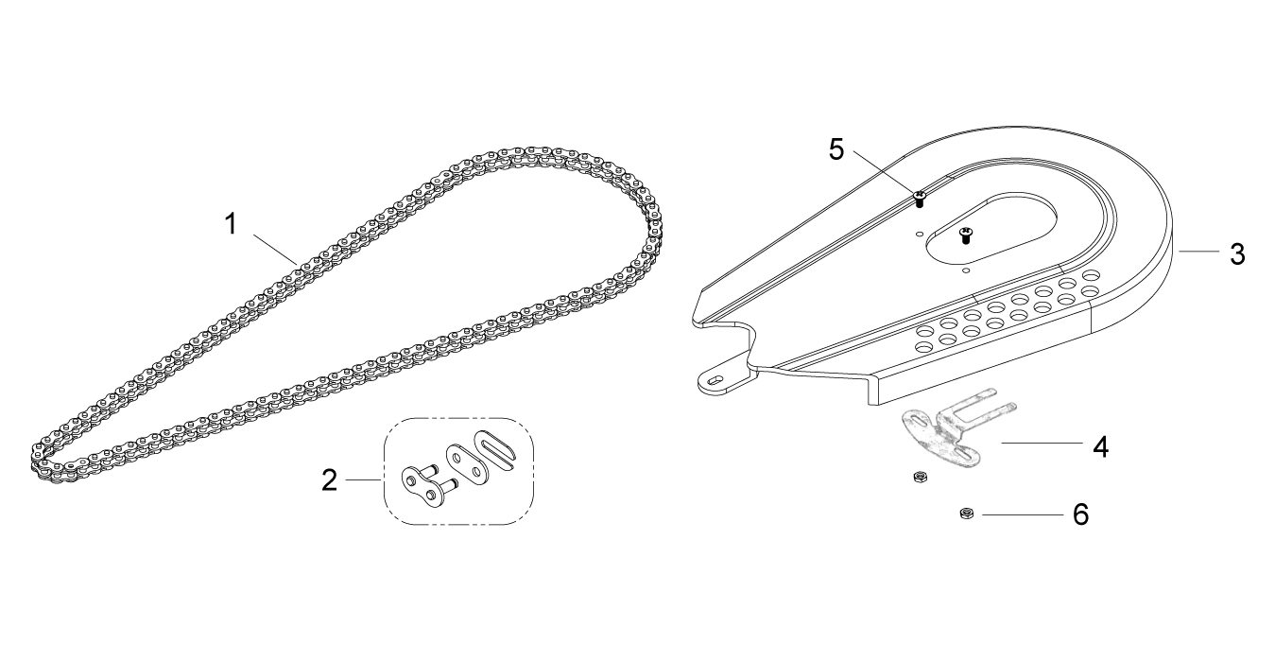
N° | Ref. | Description | Français | Picture | Qty/Bike | Pur Qty | MY | BB12 | BB16 | USD UNIT PRICE | Recommended order parts
1 | BB12-1026-120 | Chain BB12 120T | Chaine BB12 120T |  |  | 1 | 2024 | √ |  | 2.00 | 5
1 | BB16-1026-134 | Chain BB16 134T | Chaine BB16 134T |  |  | 1 | 2024 |  | √ | 2.00 | 5
2 | BB12-1026 | Chain link BB12/BB16 | Attache rapide chaine BB12/BB16 |  | 1 |  | 2024 | √ | √ | 0.20 | 5
3 | BB12-1449-01-GY | Chain protection plastic BB12 Black | Protection Chaine plastique BB12 Noir |  |  | 1 | 2024 | √ |  | 3.00 | 2
3 | BB16-1449-02-GY | Chain protection plastic BB16 Black | Protection Chaine plastique BB16 Noir |  |  | 1 | 2024 |  | √ | 3.00 | 2
4 | BB12-1404-01 | Chain Guard Support BB12/BB16 | SUPPORT PROTECTION DE CHAINE BB12/BB16 |  |  | 1 | 2024 | √ | √ | 1.50 | 2
5 | GB818-M3x6-W | Pan / Round head cross machine screw M3x6mm | Vis à tête ronde cruciforme M3x6mm |  |  | 2 | 2024 | √ | √ | 0.10 | 8
6 | GB6170-M3-W | Nut M3 | Ecrou M3 |  |  | 2 | 2024 | √ | √ | 0.10 | 8
Rear Wheel Assy
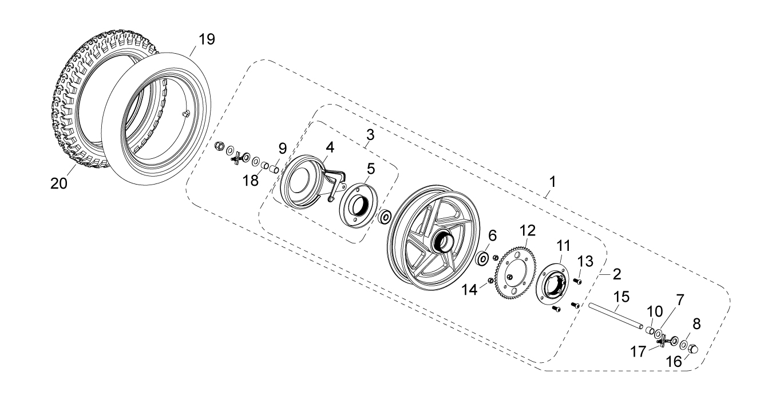
N° | Ref. | Description | Français | Picture | Qty/Bike | Pur Qty | MY | BB12 | BB16 | USD UNIT PRICE | Recommended order parts
1 | BB12-1102-01 | Complete Rear wheel BB12 W/T rear wheel axle | Roue arriere complète BB12 sans axe de roue / sans frein |  |  | 1 | 2024 | √ |  | 7.00 | 1
1 | BB16-1102-01 | Complete Rear wheel BB16 W/T rear wheel axle | Roue arriere complète BB16 sans axe de roue / sans frein |  |  | 1 | 2024 |  | √ | 9.50 | 1
3 | BB12-1103-01 | Complete Rear brake BB12 | Frein arriere complet BB12 |  |  | 1 | 2024 | √ |  | 2.50 | 2
3 | BB16-1103-01 | Complete Rear brake BB16 | Frein arriere complet BB16 |  |  | 1 | 2024 |  | √ | 3.00 | 2
6 | 6200RS | Ball bearing 6200RS d10mmxd30mmx9mm | Roulement roue 6200RS d10mmxd30mmx9mm |  | 2 |  | 2024 | √ | √ | 0.70 | 6
7 | GB96-d10-W | Flat washer,steel d10mm | Rondelle plate,acier d10mm |  |  | 2 | 2024 | √ | √ | 0.10 | 6
8 | FB20-10x20x3-W | Flat washer,steel d10mm thickness 3 mm | Rondelle plate,acier d10mm epaisseur 3 mm |  |  | 2 | 2024 | √ | √ | 0.10 | 6
9 | BB12-1104-01 | Rear wheel steel spacer left d13mmxd10.5mmx15mm | Entretoise roue arriere acier gauche d13mmxd10.5mmx15mm |  |  | 1 | 2024 | √ | √ | 0.20 | 4
10 | BB12-1104-02 | Rear wheel steel spacer right d13mmxd10.5mmx12.2mm | Entretoise roue arriere acier droite d13mmxd10.5mmx12.2mm |  |  | 1 | 2024 | √ | √ | 0.20 | 4
11 | BB12-1105-01 | Rear sprocket support BB12/BB16 | Support de couronne BB12/BB16 |  |  | 1 | 2024 | √ | √ | 2.00 | 2
12 | BB12-1106-01 | Rear sprocket BB12/BB16 55T | Couronne acier BB12/BB16 55T |  |  | 1 | 2024 | √ | √ | 1.50 | 5
13 | GB70.2-M6x10-B | Pan head hexagon screw M6x10mm inox | Vis à tête ronde Allen (BTR) M6x10mm inox |  |  | 4 | 2024 | √ | √ | 0.10 | 8
14 | GB6189-M6-W | HEXAGON NUT M6 | Ecrou Hexagonal M6 |  |  | 4 | 2024 | √ | √ | 0.10 | 8
15 | BB12-1606-02 | Rear wheel axle L=165mm d10mm Black | Axe roue arriere acier L=165mm d10mm Noir |  |  | 1 | 2024 | √ | √ | 1.00 | 2
16 | BB12-0607-01 | Nut M10 for front wheel axle Black | Ecrou M10 pour axe roue avant Noir |  |  | 2 | 2024 | √ | √ | 0.20 | 4
17 | BB12-0610 | Rear wheel chain adjuster assembly blue white zinc | Kit porte-chaîne roue arrière bleu blanc zinc |  |  | 2 | 2024 | √ | √ | 0.70 | 4
18 | BB12-1104-03 | Drum brake support bushing Q235 d13mmxd10.5mmx5mm black zinc | Bague de support de frein de tambour Q235 d13mmxd10.5mmx5mm zinc noir |  |  | 1 | 2024 | √ | √ | 1.80 | 2
19 | BB12-0608-01 | Inner tube BB12 12x1/2x2x1/4 with 120º Valve | Chambre a air BB12 12x1/2x2x1/4 avec Valve 120º |  |  | 1 | 2024 | √ |  | 2.50 | 5
19 | BB16-0608-01 | Inner tube BB16 16x2.125 with 120º Valve | Chambre a air BB16 16x2.125 avec Valve 120º |  |  | 1 | 2024 |  | √ | 3.50 | 5
20 | BB12-0609-01 | Tire BB12 / 2.125 | Pneu BB12 / 2.125 |  |  | 1 | 2024 | √ |  | 3.90 | 5
20 | BB16-0609-01 | Tire BB16 / 2.125 | Pneu BB16 / 2.125 |  |  | 1 | 2024 |  | √ | 4.90 | 5
REAR BRAKE
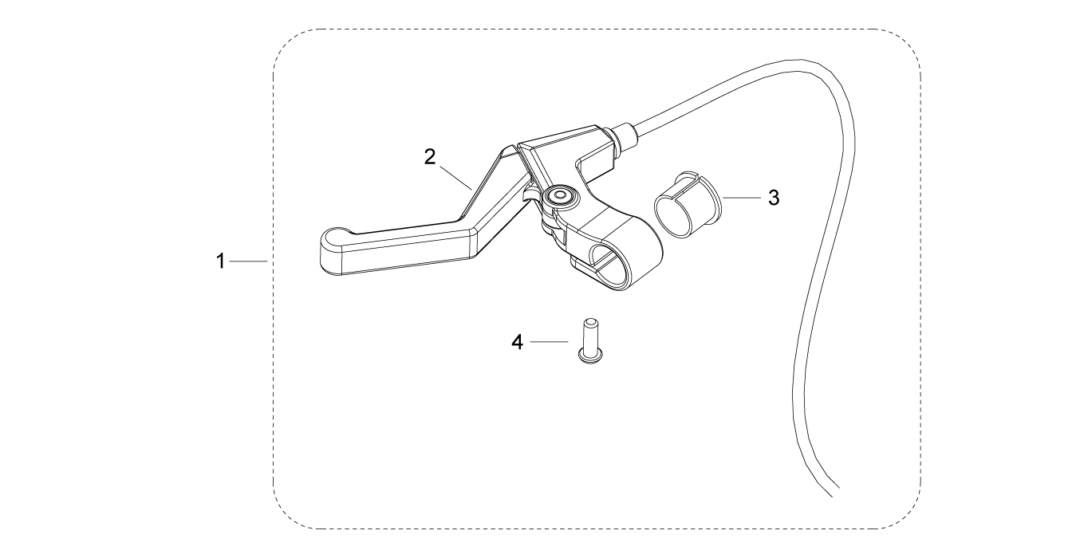
N° | Ref. | Description | Français | Picture | Qty/Bike | Pur Qty | MY | BB12 | BB16 | USD UNIT PRICE | Recommended order parts
1 | BB12-1214-01 | Rear Brake complete BB12 L=950mm | Frein arriere complet BB12 L=950mm |  |  | 1 | 2024 | √ |  | 4.00 | 1
1 | BB16-1214-01 | Rear Brake complete BB16 L=1110mm | Frein arriere complet BB16 L=1110mm |  |  | 1 | 2024 |  | √ | 4.00 | 1
 | BB12-1214-0103 | Rear brake line length L=950mm with rivets | Cable de frein arrière L=950mm avec rivets |  |  | 1 | 2024 | √ |  | 0.40 | 3
 | BB16-1214-0103 | Rear brake line length L=1110mm with rivets | Cable de frein arrière L=1110mm avec rivets |  |  | 1 | 2024 |  | √ | 0.40 | 3
4 | BB12-1214-0101 | Washer Plastic d18.5mmxd21mmx17mm Intern 25mmx1.6mm | Entretoise plastique d18.5mmxd21mmx17mm Interieur 25mmx1.6mm |  | 1 |  | 2024 | √ | √ | 0.20
5 | GB70.2-M6x30-B | Pan head hexagon screw M6x18mm inox | Vis à tête ronde Allen (BTR) M6x18mm inox |  | 1 |  | 2024 | √ | √ | 0.10
Seat & Plastic kit
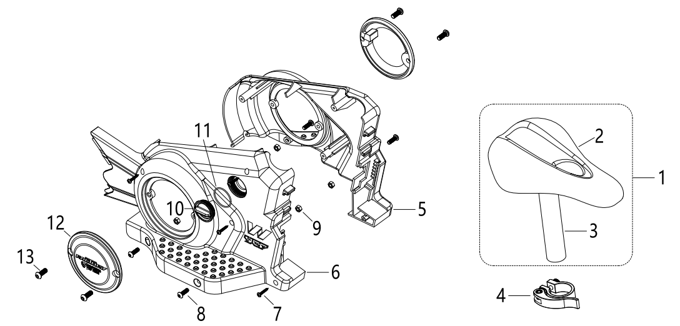
N° | Ref. | Description | Français | Picture | Qty/Bike | Pur Qty | MY | BB12 | BB16 | USD UNIT PRICE | Recommended order parts
1 | BB12-1401 | Seat complete BB12/BB16 Black / Silver axle | Selle complete BB12/BB16 Noire / axe Silver |  |  | 1 | 2024 | √ | √ | 6.00 | 2
4 | BB12-1403-01 | Seat block Black | Serrage selle Noir |  |  | 1 | 2024 | √ | √ | 1.50 | 1
5 | BB12-1447-01-GY | YCF plastic carter left Black | Carter plastique YCF gauche Noir |  |  | 1 | 2024 | √ | √ | 5.00 | 2
6 | BB12-1448-01-GY | YCF plastic carter right Black | Carter plastique YCF droit Noir |  |  | 1 | 2024 | √ | √ | 5.00 | 2
7 | GB845-ST4.2x19 | Screw ST4.2x19mm | Vis ST4.2x19mm |  |  | 4 | 2024 | √ | √ | 0.10 | 10
8 | GB70.2-M5x16 | Pan head hexagon screw M5x16mm inox | Vis à tête ronde Allen (BTR) M5x16mm inox |  |  | 4 | 2024 | √ | √ | 0.20 | 8
9 | GB6184-M5 | HEXAGON FLAT NYLON LOCK NUT M5 | Ecrou HEXAGONAL autobloquant nylon M5 |  |  | 4 | 2024 | √ | √ | 0.10 | 8
10 | BB12-1565-01 | Plastic cap protection 3 speed Black | Capot plastique protection 3 viteeses Noir |  |  | 1 | 2024 | √ | √ | 0.50 | 4
11 | BB12-2019 | O-ring d32mmx1.5mm | Joint torique d32mmx1.5mm |  |  | 1 | 2024 | √ | √ | 0.20 | 4
12 | BB12-RCSC-BK | Right crankcase small Cover 88/125 BLACK | DEMI CARTER EMBRAYAGE NOIR 88/125 |  |  | 2 | 2024 | √ | √ | 2.00
13 | GB70.2-M6x16 | Pan head hexagon screw M6x16mm inox | Vis à tête ronde Allen (BTR) M6x16mm inox |  |  | 4 | 2024 | √ | √ | 0.20
ELECTRIC
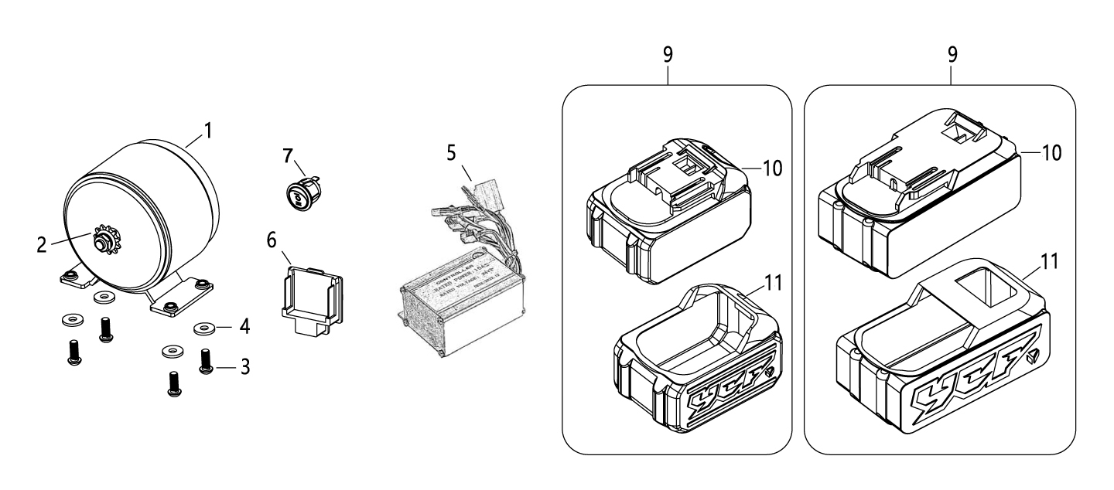
N° | Ref. | Description | Français | Picture | Qty/Bike | Pur Qty | MY | BB12 | BB16 | USD UNIT PRICE | Recommended order parts
1 | BB12-1501-01 | Electric engine 170W 24V 9.5A BB12 | Moteur electrique 170W 24V 9.5A BB12 |  |  | 1 | 2024 | √ |  | 25.00 | 1
1 | BB16-1501-01 | Electric engine 250W 24V 13.7A BB16 | Moteur electrique 250W 24V 13.7A BB16 |  |  | 1 | 2024 |  | √ | 28.00 | 1
2 | BB12-9T-01 | Output sprocket 9 teeth | Sortie pignon 9 dents |  |  | 1 | 2024 | √ |  | 1.00 | 5
2 | BB16-11T-01 | Output sprocket 11 teeth | Sortie pignon 11 dents |  |  | 1 | 2024 |  | √ | 1.00 | 5
 | BB16-1808-01 | BB16 tranmission kit (65T sprocket, 9T front sprocket, 140T chain) | Kit transmission BB16 (couronne 65T, pignon 9T, chaine 140T) |  |  | 1 | AFTERMARKET | √ | √ | 4.30
3 | GB70.2-M6x12-W | Pan head hexagon screw M6x12mm inox | Vis à tête ronde Allen (BTR) M6x12mm inox |  |  | 4 | 2024 | √ |  | 0.10
4 | FB20-6x16x2-W | Flat washer steel d14.5mmxd25mmx2mm | rondelle acier d14.5mmxd25mmx2mm |  |  | 4 | 2024 | √ |  | 0.10
5 | BB12-1502-01 | Controller 24V 15A 70mmx50mmx35mm BB | Controlleur 24V 15A 70mmx50mmx35mm BB |  |  | 1 | 2024 | √ | √ | 10.00 | 3
 | BB16-1502-02 | Controller 24V 18A 70mmx50mmx35mm BB | Controlleur 24V 18A 70mmx50mmx35mm BB |  |  | 1 | AFTERMARKET | √ | √ | 10.00
6 | BB12-1503-01 | battery holder | support batterie |  |  | 1 | 2024 | √ | √ | 2.00 | 2
7 | BB12-1504-01 | 3 speed button L=150mm | Bouton 3 vitesses L=150mm |  |  | 1 | 2024 | √ | √ | 2.00 | 2
8 | BB12-1514-01 | European standard charger BB12/BB16 (100-240V AC, 50/60Hz, 1.5A) | Chargeur standard européen BB12/BB16 (100-240V AC, 50/60Hz, 1.5A) |  |  | 1 | 2024 | √ | √ | 10.00 | 1
8 | BB12-1514-02 | American standard charger BB12/BB16 | Chargeur standard américain BB12/BB16 |  |  | 1 | 2024 | √ | √ | 10.00 | 1
8 | BB12-1514-03 | Australian Standard charger BB12/BB16 (100-240V AC, 50/60Hz, 1.5A) | Chargeur standard australien BB12/BB16 (100-240V AC, 50/60Hz, 1.5A) |  |  | 1 | 2024 | √ | √ | 10.00 | 1
10 | BB12-1505 | Silicone Battery protectione and battery 24V 2.6Ah | Batterie en Silicone protectione et batterie 24V 2.6Ah |  | 1 |  | 2024 | √ |  | 20.00 | 10
10 | BB16-1505 | Silicone Battery protectione and battery 24V 5.2Ah | Batterie en Silicone protectione et batterie 24V 5.2Ah |  | 1 |  | 2024 |  | √ | 40.00 | 10
11 | BB12-1506-01 | Silicone Battery protection BB12 | Protection batterie Silicone BB12 |  |  | 1 | 2024 | √ |  | 2.50 | 5
11 | BB16-1506-01 | Silicone Battery protection BB16 | Protection batterie Silicone BB16 |  |  | 1 | 2024 |  | √ | 2.50 | 5
Frame
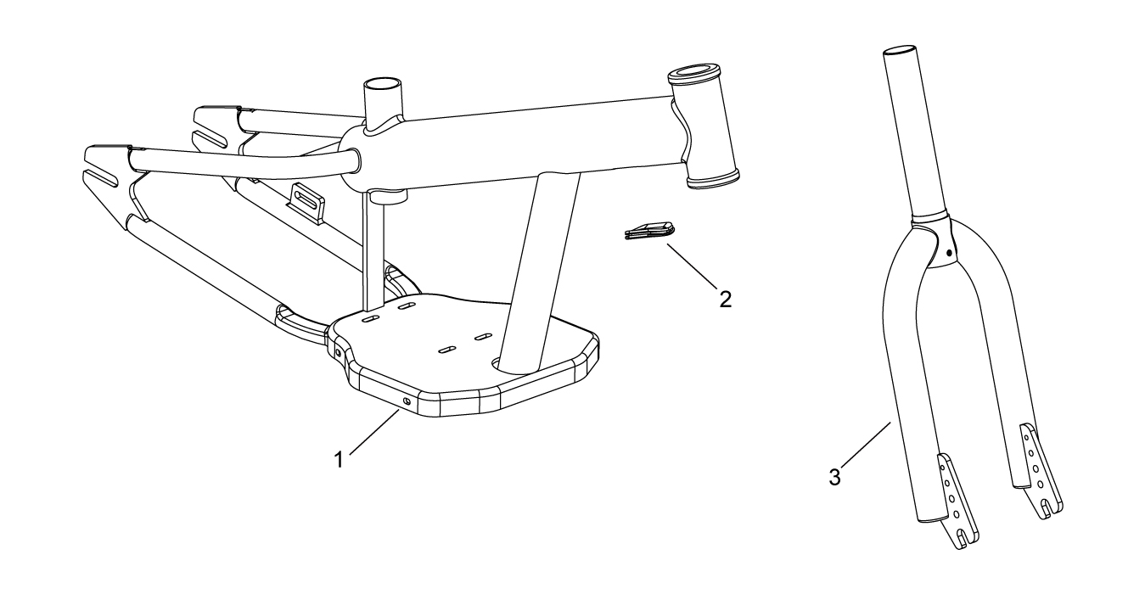
N° | Ref. | Description | Français | Picture | Qty/Bike | Pur Qty | MY | BB12 | BB16 | USD UNIT PRICE | Recommended order parts
1 | BB12-1720-01-GY | Aluminium frame BB12 Grey | Cadre aluminium BB12 Gris |  |  | 1 | 2024 | √ |  | 60.00 | 1
1 | BB16-1720-01-GY | Aluminium frame BB16 Grey | Cadre aluminium BB16 Gris |  |  | 1 | 2024 |  | √ | 65.00 | 1
2 | BB12-1801-01-BK | Rubber protection cable | Caoutchouc de protection cable |  |  |  | 2024 | √ | √ | 0.30 | 5
3 | BB12-1721-01-GY | Steel fork BB12 Grey | Fourche acier BB12 Grise |  |  | 1 | 2024 | √ |  | 4.50 | 1
3 | BB16-1721-01-GY | Steel fork BB16 Grey | Fourche acier BB16 Grise |  |  | 1 | 2024 |  | √ | 5.00 | 1
GRAPHICS
N° | Ref. | Description | Français | Picture | Qty/Bike | Pur Qty | MY | BB12 | BB16 | USD UNIT PRICE | Recommended order parts
1 | KDBB122024 | Complete graphic kit BB12 2024 | Kit deco complet BB12 2024 |  |  | 1 | 2024 | √ |  | 3.00 | 5
1 | KDBB162024 | Complete graphic kit BB16 2024 | Kit deco complet BB16 2024 |  |  | 1 | 2024 |  | √ | 3.00 | 5
2 | KDBB122024-01 | YCF color stickers kit | Kit stickers YCF couleurs |  |  | 1 | 2024 | √ | √ | 3.00 | 10 | 14 pcs stickers 2 pcs each color

CATALOGUES - FICHES MOTOS - FICHES STICKER
N° | Ref. | Description | Français | Picture | Qty/Bike | Pur Qty | MY | BB12 | BB16 | USD UNIT PRICE | Recommended order parts
3 | BB12-TREPIED-GY | Plastic stand BB12/BB16 grey | Trepied plastique BB12/BB16 gris |  |  | 1 | 2024 | √ | √ | 5.00 | 20
4 | BB12-BOOTH | Paper display box x13 with 24 cartons connected with plastic cards | Boîte de présentation papier x13 avec 24 cartes plastiques connectées en carton |  |  | 1 | 2024 | √ | √ | 35.00 | 15

